neat-wireframes
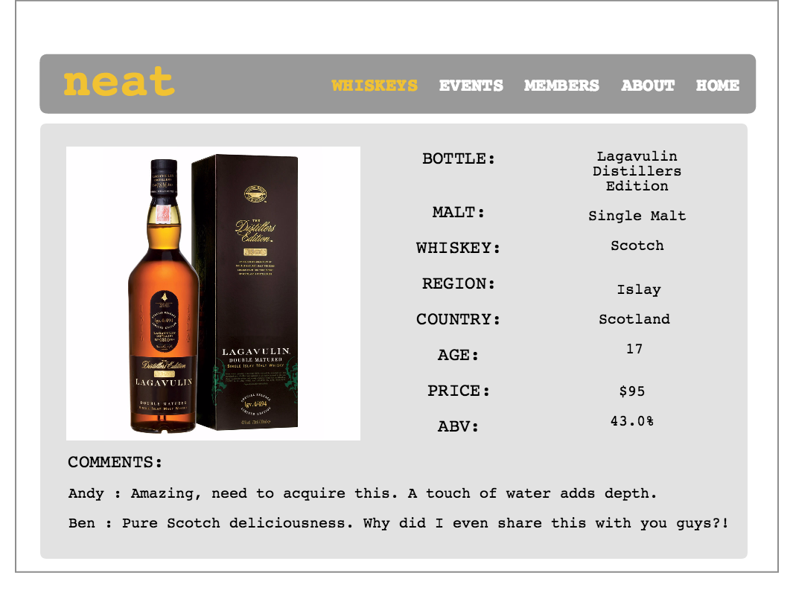


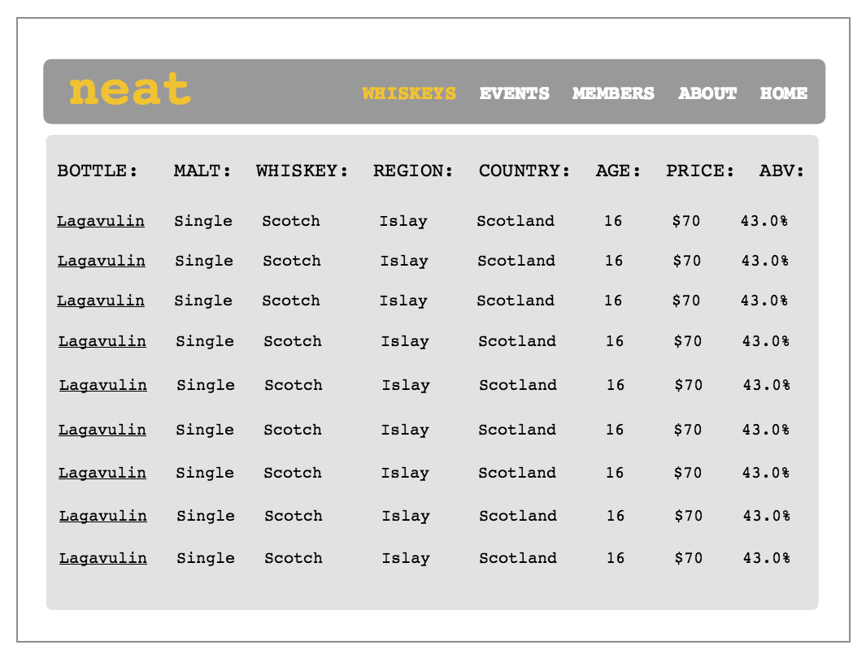

if I change any of the data in seeds

rake db:migrate VERSION=0
rake db:migrate
rake db:seed

neat-erd
